Sheet3
http://coachx.in/Partner/Signup.aspx
Basic Info
 | CHANGE | heading to Basic Information
 | LOGIC | Year of Incorporation | (it should not select number greater than 2020 right now)
 | CHANGE | No of Employees | Options should be | 1-9 | 10-49 | 50-99 | 100-499 | 500-999 | 1000+ | not very important, ignore if it is too much work
 | MISSING | Clients Primarily from | currently is not mandatory to fill, it should be
 |  | (same for others)
Other Details
 | CHANGE | About Your Company (this is visible to customer)
 | LOGIC | in above, it is currently taking even more than 200 words

Talent/Skills Offered
 | CHANGE | "Many Clients …...." should come first
 | CHANGE | in above statement, text should not be black or bold - the way it currently appearing
 | KEEP | the check box below this statement
 | ADD | below this checkbox
 |  | "Some of the Top Technologies & Skills that we work on"
 | KEEP | the technologies waala dialogue box

Other Services
 | REMOVE | this page from here & put it in profile

Trial Offer
 | CHANGE | details provided below to change to above

Bank Account Details
 | CHANGE | Bank Account holder's name
 | ADD | watermark - This should match the name of the Account holder in the bank documents
 | ADD for LATER | Please upload relevant proof for ownership of this account
 | ADD for LATER | Proof being being submitted
 |  | Cheque book, Passbook, Bank Attestation, Any other

Alternate Contact
 | REMOVE FROM main - Add to Profile for updation later

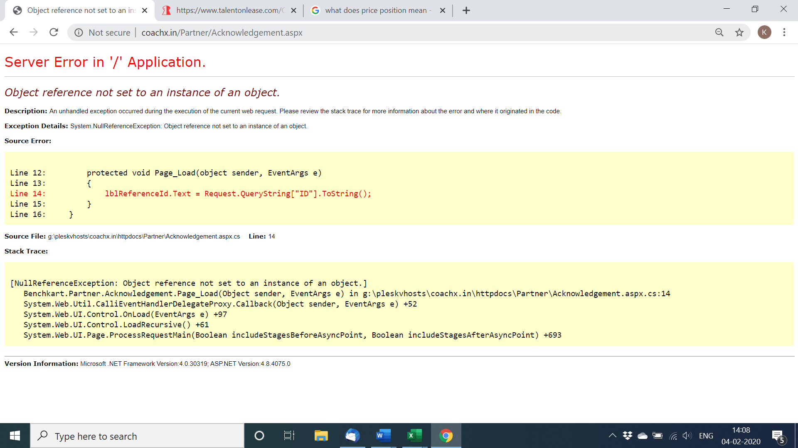
 | LOGIC | Alternate Person's details should be different from original
 | ERROR

